Sheet1
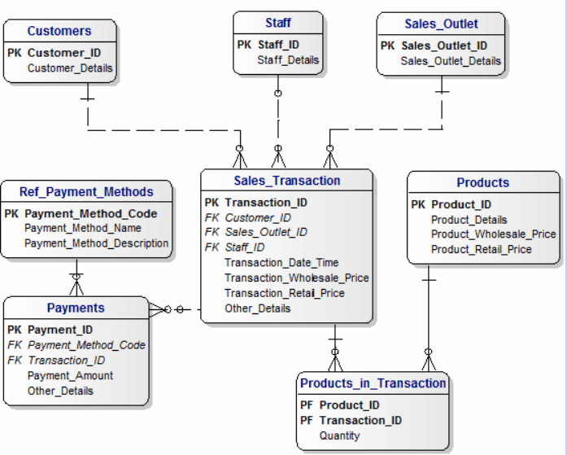
when rajesh buy 4 products -- how many bills I get ==> I get one bill
sales_transcation --> Bill Header / Sales header / Sales_transaction
 |  |  | Identify master tables in this model
how many products we bought |  | 4
 |  |  | Which table will have the least records in this table?

 |  |  | Which table will have the most number of records?

 |  |  | What does Wholesale_price and Retail_price mean?
 | SALES_FACT | PAYMENT_FACT
 | SALES_FACT_ID (pk) | PAY_FACT_ID | Write a query which gives us the Customer name, product_name they purchase, qunatity they purchased in the last year
 | SOURCE_TRANSACTION_ID | SOURCE_PAY_ID
 | CUST_SUR_ID (fk) | CUST_SUR_ID | Find the sales transaction which has more than one payment method (some one pays cash 50% and card 50%)
 | SHOP_SUR_ID (fk) | SHOP_SUR_ID
 | PROD_SUR_ID (fk) | EMP_SUR_ID | Find the customer who purchased more in the current month
 | EMP_SUR_ID (fk) | PAYMENT_DATE_ID
 | SALES_DATE_ID (fk) | PAYMENT_METHOD_ID | Find the products which we did not sell in the current week
measures | QTY | PAID_AMOUNT
 | WHOLE_SALE_PRICE |  | Display payment_method_name, total amount received, number of sales transaction in the current year
 | RETAIL_PRICE
 | SALES_AMOUNT |  | If you want to enhance this model to capture the returns, what is the table you will add and come out with columns in that table.

 |  |  | store credit

 |  | prod_m_country

 | FACT
 | TRANSACTION TABLE IN oltp SYSTEM
 | IN DW ITS CALLED AS FACT TABLE
 | FACT CONSISTS OF LINKS TO DIMENSION TABLE
 | MEASURES

 | MEASURES
 | FULLY ADDITIVE MEASURE
 | SEMI ADDITIVE MEASURE
 | NON ADDITIVE MEASURE

